Лист1
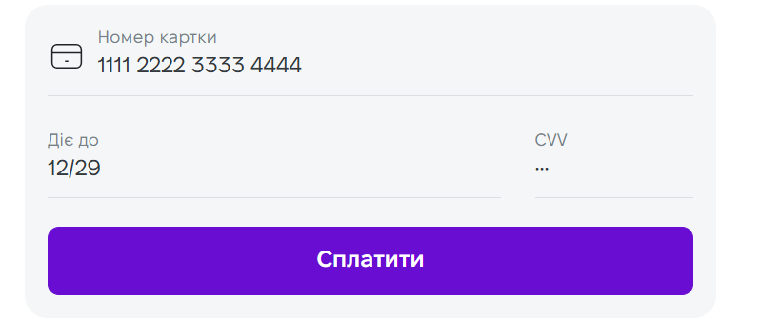
Check | Status | Details
Enter a valid 16-digit number. | passed | 1111 2222 3333 4444 The "Pay"/"Сплатити" button is available
Enter an invalid 15-digit number | passed | 1111 2222 3333 444 The "Pay"/"Сплатити" button isn't available
Enter an invalid 17-digit number | passed | 1111 2222 3333 44444 Cannot enter 17 digits
Enter letters instead of numbers | passed | Cannot enter the letters
Enter a space before numbers | passed | Cannot enter a space
Enter special symbols before numbers | passed | Cannot enter the special symbols @1111 2222 3333 4444
Enter special symbols after numbers | passed | Cannot enter the special symbols 1111 2222 3333 4444@
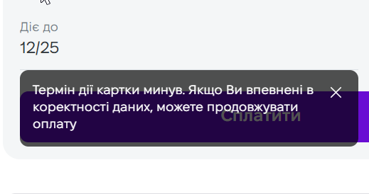
Enter a valid date | passed | 12/29
Enter a past date | passed | 12/25
Enter an invalid month | passed | 13/29
Enter letters instead of numbers | passed | Cannot enter the letters
Enter special symbols instead of numbers | passed | Cannot enter the special symbols
Enter a space before numbers | passed | Cannot enter a space
Enter a valid 3-digit CVV code | passed
Enter 2 numbers insted of 3 | passed | The "Pay"/"Сплатити" button is available
Enter 4 numbers insted of 3 | passed | Cannot enter 4 numbers
Enter letters instead of numbers | passed | Cannot enter letters
Enter special symbols instead of numbers | passed | Cannot enter symbols
Enter a space before numbers | passed | Cannot enter a space

